Sheet1
data number | graph of one stack | label number | volume(pixels) | sample name | original image
1 | 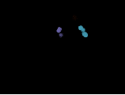 | 10 | 89154, 252197, 111125, 94281, 143830, 64148, 36909, 47091, 176438, 150921 | Sample 9_2x_150slides_1024 | 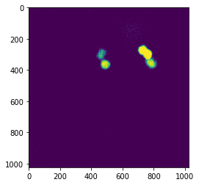
2 |  | 8 | 994328, 38051637 | 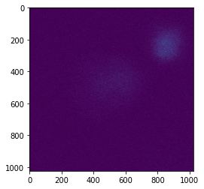 Sample9 5x_150slides_1024
3 |  | 1 | 1306602 | 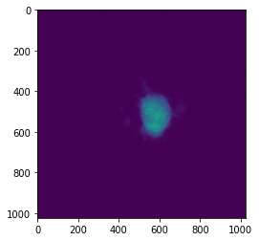 Sample9_5x_150slices_1024_rep2
4 | 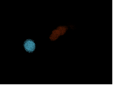 | 2 | 660653(red), 352612(blue) | Sample9_rep3 | 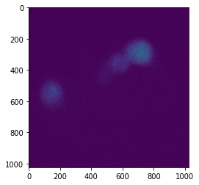
5 | 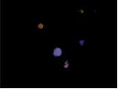 | 11 | 4927, 98937, 546530, 126843, 56287, 72863, 300344, 60867, 65853, 69760, 2012 | Sample 8_2x
6 |  | 1 | 1483685 | Sample8_5x_rep1
7 |  | 34 | 5150089(middle), 249075(left), 751114(bottom) | Sample 8_5x_rep2
8 | 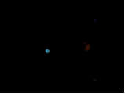 | 2 | 180367(red), 178228(blue) | Smple 7_2x
9 |  | 1 | 3956021 | Sample 7_5x_rep1
10 |  | 2 | 2285613, 119760 | Sample 7_5x_rep2
11 |  | 7 | 526423, 1055805, 254694, 154728, 336795, 429609, 122595 | Sample6_2x
12 |  | 1 | 1432920 | Sample6_5x_rep1
13 | 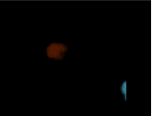 | 2 | 2314518(red), 581939(blue) | Sample6_5x_rep2
14 |  | 3 | 415609(red), 67108(blue), 282421(purple) | Sample5_2x
15 | 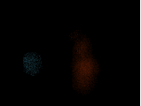 | 2 | 7311000(red), 726723(blue) | Sample5_5x_rep1
16 |  | 1 | 1137246 | Sample5_5x_rep2
17 |  | 5 | 546912(red), 136617(blue), 96368(purple), 294035(yellow), 17610(bottom purple) | Sample4_2x
18 | 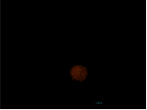 | 2 | 2379376(r), 38951(b) | Sample4_5x_rep1
19 |  | 1 | 567698 | Sample4_5x_rep2
20 |  | 2 | 273572(r), 32162(b) | Sample3_2x
21 |  | 1 | 3888674 | Sample3_5x_rep1
22 |  | 2 | 3029178, 11748 | Sample3_5x_rep2
23 |  | 8 | 58600, 23911, 109358, 18230, 58879, 20579, 56269, 13735 | Sample2_2x
24 |  | 2 | 46939(r), 884331(b) | Sample2_5x_rep1
25 |  | 1 | 4681107 | Sample2_5x_rep2
26 |  | 3 | 162844, 132338, 23610 | Sample1_2x
27 | 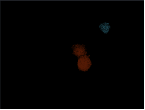 | 2 | 1701747(r), 84590(b) | Sample1_5x_rep1
28 |  | 1 | 839022 | sample1_5x_rep2

data number | graph of one stack | label number | volume(pixels) | sample name | original image
1 |  | 10 | 89154, 252197, 111125, 94281, 143830, 64148, 36909, 47091, 176438, 150921 | Sample 9_2x_150slides_1024
2 |  | 8 | 994328, 38051637 | Sample9 5x_150slides_1024
3 |  | 1 | 1306602 | Sample9_5x_150slices_1024_rep2

